Sales
Monthly sales in dollars of a Web analytics firm.
Month | SALES
Jan-03 | 42851.41
Feb-03 | 32998.27
Mar-03 | 32224.45
Apr-03 | 47736.45
May-03 | 45134.76
Jun-03 | 39859.04
Jul-03 | 53056.94
Aug-03 | 43394.91
Sep-03 | 53238.93
Oct-03 | 77106.74
Nov-03 | 78406.61
Dec-03 | 120669.15
Jan-04 | 126402.56
Feb-04 | 103209.84
Mar-04 | 108578.09
Apr-04 | 146001.98
May-04 | 115881.13
Jun-04 | 109705.66
Jul-04 | 126203.5
Aug-04 | 91124.69
Sep-04 | 105573.23
Oct-04 | 132292.62
Nov-04 | 143346.54
Dec-04 | 256989.42
Jan-05 | 230297.12
Feb-05 | 172858.83
Mar-05 | 190960.7
Apr-05 | 215494.91
May-05 | 127014.18
Jun-05 | 119331.27
Jul-05 | 191372.35
Aug-05 | 134470.13
Sep-05 | 164075.92
Oct-05 | 296067.28
Nov-05 | 237200.95
Dec-05 | 349865.15
Jan-06 | 284153.82
Feb-06 | 342875.67
Mar-06 | 326599.37
Apr-06 | 382773.26
May-06 | 292565.33
Jun-06 | 355235.39
Jul-06 | 150306.78
Aug-06 | 324641.92
Sep-06 | 302948.19
Oct-06 | 438351.07
Nov-06 | 341339.83
Dec-06 | 465747.06
Jan-07 | 482296.57
Feb-07 | 319251.19
Mar-07 | 367550.3
Apr-07 | 453059
May-07 | 364198.66
Jun-07 | 432854.88
Jul-07 | 511445.22
Aug-07 | 377471.8
Sep-07 | 402539.92
Oct-07 | 508784.22
Nov-07 | 418133.1
Dec-07 | 286233.92
Jan-08 | 276031.79
Feb-08 | 255140.26
Mar-08 | 330093.8
Apr-08 | 720243.34
May-08 | 527970.96
Jun-08 | 554474.27
Jul-08 | 691326.49
Aug-08 | 549759.35
Sep-08 | 531951.44

Q1 - Q2
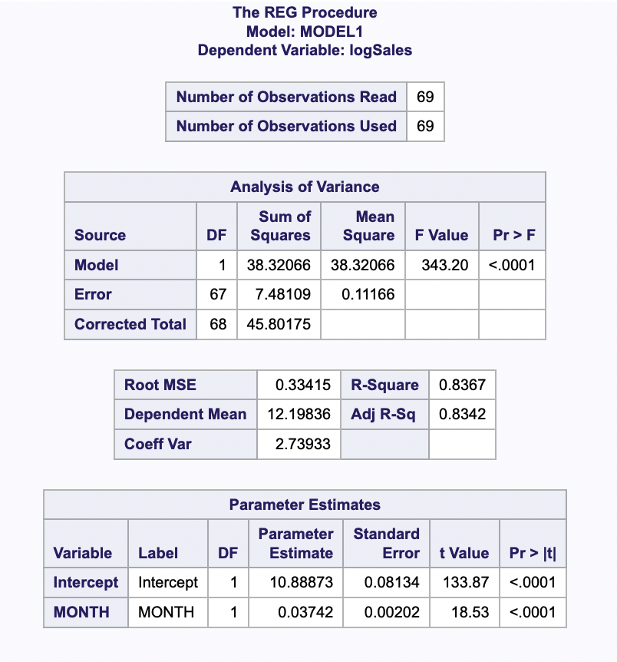
Q1

Q2

 | The two most important statistic are: 1) R-Square: Expresses the amount of variance in the target variable explained by the predictors 2) RMSE: Measure of the Average Sqaured error of the predictions. A low RMSE and high R-Squared is desired and our model is at 0.33415, 83.67% respectively.

Q3
Test for L |  | Test for H

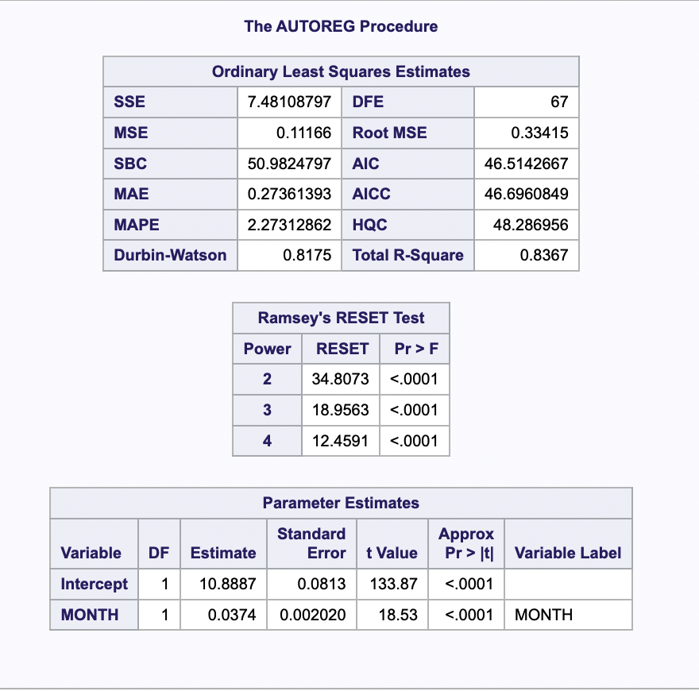
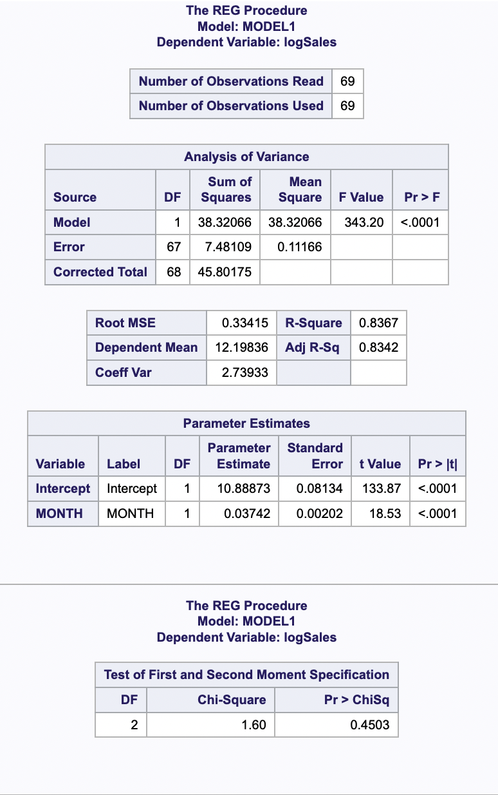

 | The p values are <0.0001 i.e. very small and thus indicate that the coefficients are not close to zero. L is VIOLATED under all three forms of test (quadratic, cubic and quartic)

 |  |  |  | The relatively high p value (0.4503) suggests that we would FAIL TO REJECT H

 |  |  | Test for N
Test for I

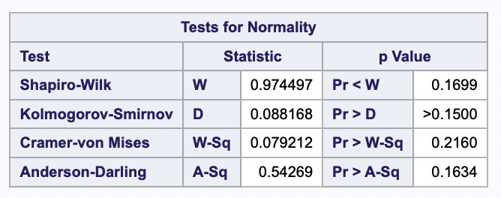
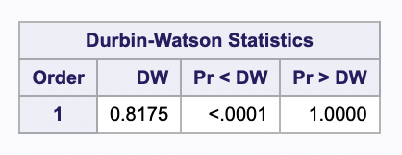

 | Residuals are not independent This is determined by the DW statistic

 |  |  |  |  | Residuals generated are normal

Q4
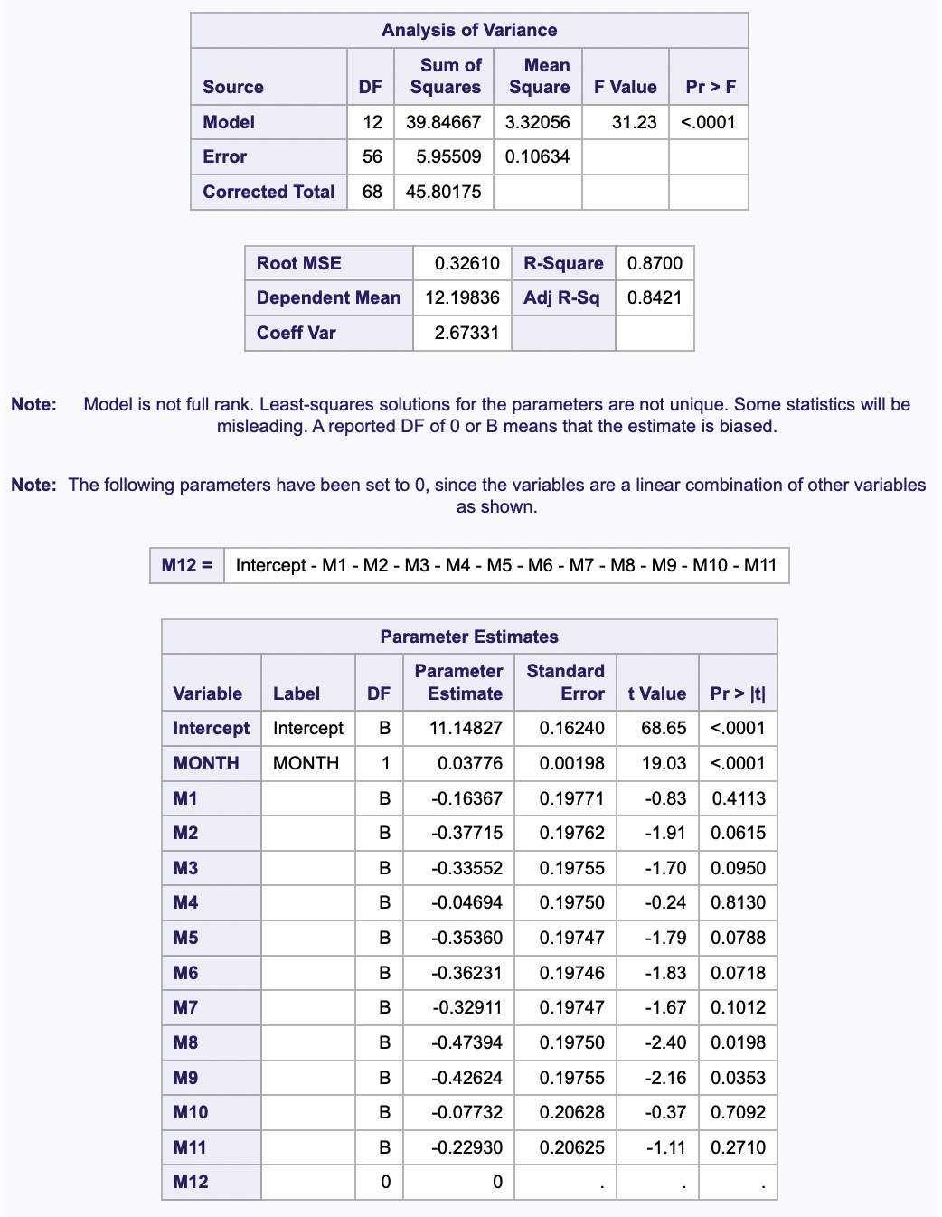
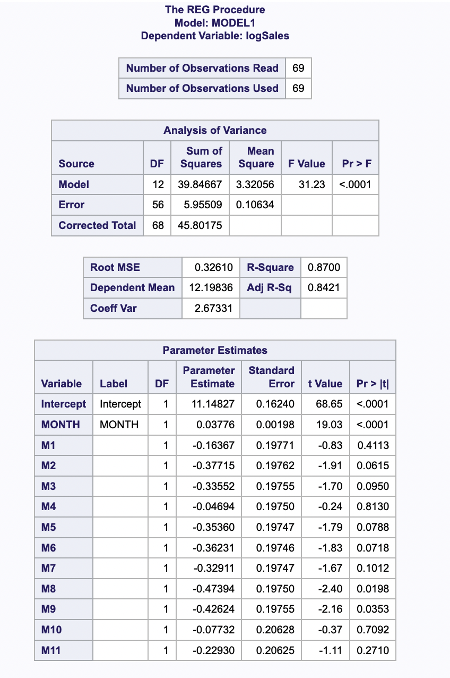

 | Change in SS (Sum of squares) = From 38.32066 to 39.84667
Adding M12 leads to multicolinearity. Therefore Discarding M12 and rerunning with M1-M11

 | Value of Wald statistic = (39.84667- 38.32066)/( 0.10634 * 11) = 1.3057

 | Decision: We can REJECT THE NULL HYPOTHESIS - that the all-new predictors have 0 explanatory power

Q5
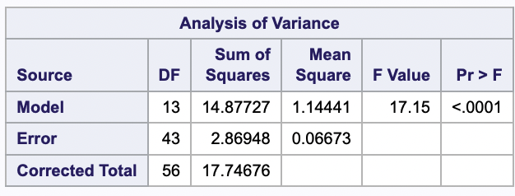
 | Change in SS (Sum of squares) = From 13.29028 to 14.87727
Model 1
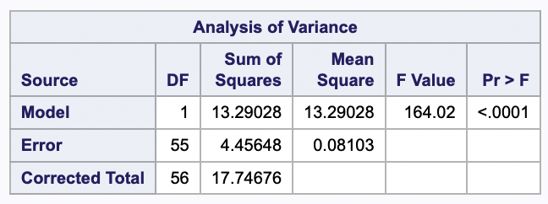
 | Value of Wald statistic = abs(13.29028 - 14.87727)/( 0.06673 * 12) = 1.982

 | We can FAIL TO REJECT THE NULL HYPOTHESIS - that the all-new predictors have 0 explanatory power

Model 2

Q6
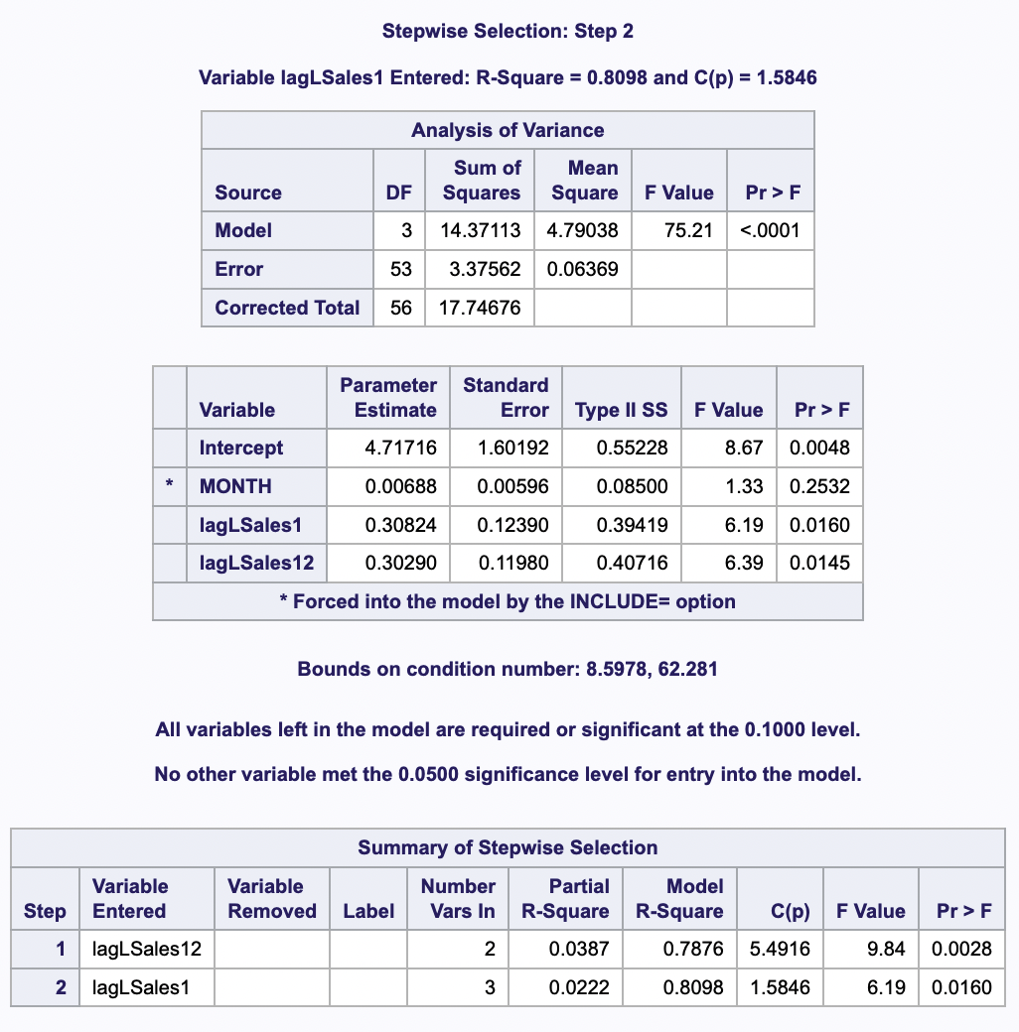

Equation
 | Log(Sales) = 4.71716 + 0.0068*month + 0.30824* Log(lag_sales_12) + 0.3029* Log(lag_Sales_1)

 | The p value of month predictor is (0.253) way more than 0.05, thus we FAIL TO Reject the null hypothesis that the estimate value can be 0.

Increase in SS

 | The base model SS is 38.32066 and for the best model is 14.37

 | (38.32066-14.37)/38.32066 = 0.6250

Q7-Q8
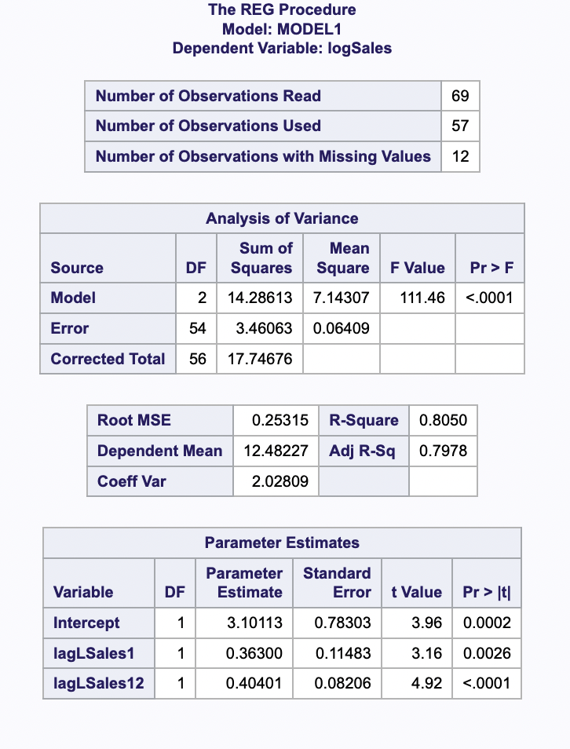

Q7
 | R-Squared = 0.8050

Q8
 | Number of predictors = 2

Q9
a) RESET

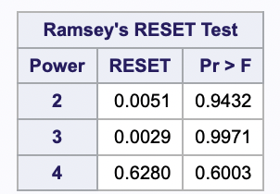

 | All three powers pass the 0.05 significance level

b) White’s Homoscedasticity Test

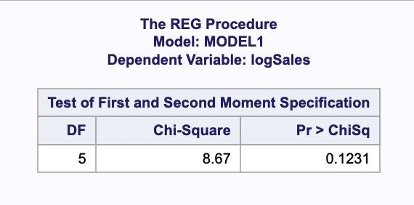
 | It is passing the 0.05 significance level

c) Durbin Watson
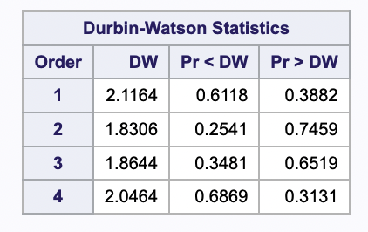

 |  | All are passing the 0.05 significance level

